Sheet1
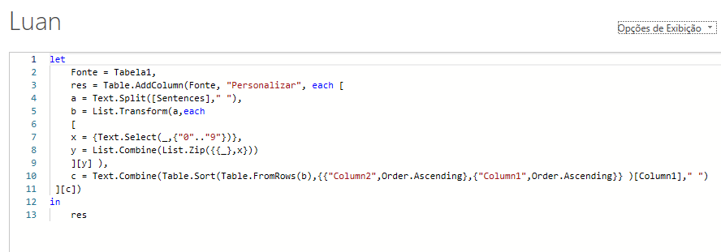
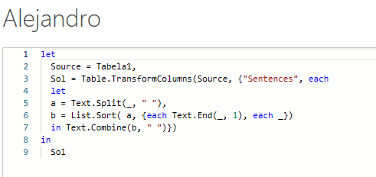
Sentences | Answer Expected
stay3 humble1 | humble1 stay3
hope1 never9 dies1 | dies1 hope1 never9
actions9 speak1 louder2 than4 words5 | speak1 louder2 than4 words5 actions9
Education4 is6 the3 most1 powerful9 weapon7 | most1 the3 Education4 is6 weapon7 powerful9
Life5 is7 what1 happens8 to4 you3 | what1 you3 to4 Life5 is7 happens8
Happiness4 is8 not5 something2 readymade3 | something2 readymade3 Happiness4 not5 is8
The4 best2 way1 to3 predict1 the9 future5 is3 to4 create8 it3 | predict1 way1 best2 is3 it3 to3 The4 to4 future5 create8 the9
All2 our3 dreams3 can1 come9 true2 | can1 All2 true2 dreams3 our3 come9
Todas as palavras têm um número de um dígito como último caractere. Classifique as palavras de acordo com o número. Em caso de empate entre números, a classificação terá que ser feita com base em palavras. Ex. "hope1 never9 dies1"
Ans. "dies1 hope1 never9"
The9 quick8 brown7 fox6 jumps5 over4 the3 lazy2 dog1 | dog1 lazy2 the3 over4 jumps5 fox6 brown7 quick8 The9

